Returns
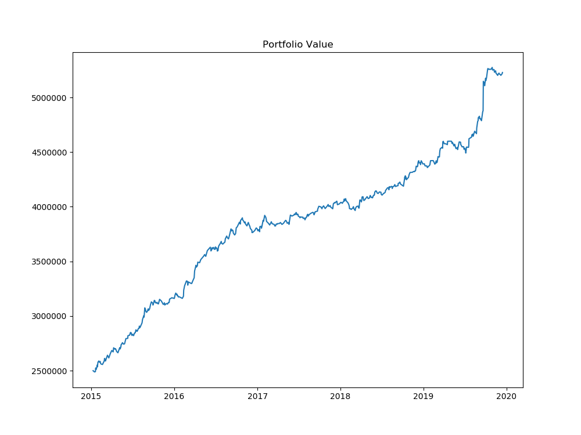
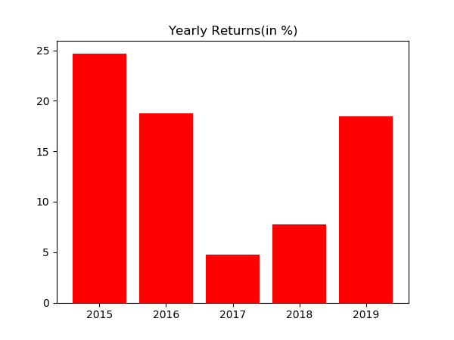
Year | % Returns | Average | StDev
2015-12-31 | 24.710680621 | 14.883564639 | 8.3404883356
2016-12-31 | 18.779437372
2017-12-31 | 4.7582068809
2018-12-31 | 7.7223520358
2019-12-31 | 18.447146285

Month | % Returns | Average | StDev
Jan-15 | 2.9685574083 | 1.160166635 | 1.7753218048
Feb-15 | 1.2618717112
Mar-15 | 1.6871664091
Apr-15 | 0.05758602306
May-15 | 2.947231638
Jun-15 | 2.6956383173
Jul-15 | 2.8785461428
Aug-15 | 4.7102714616
Sep-15 | 1.6269349208
Oct-15 | 1.5779952135
Nov-15 | -1.3509586151
Dec-15 | 1.3572444831
Jan-16 | 0.36111607203
Feb-16 | 3.2677674883
Mar-16 | 3.9137025103
Apr-16 | 2.9979295051
May-16 | 2.3383672042
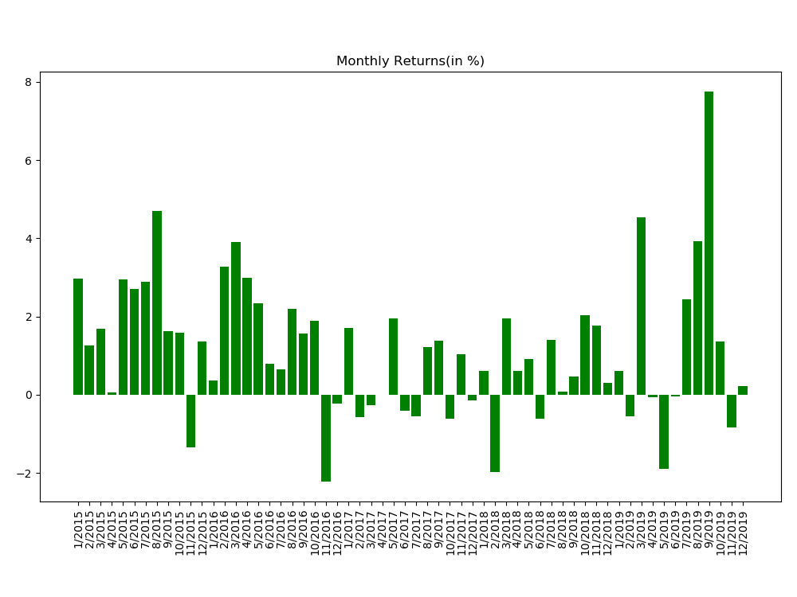
Jun-16 | 0.78253959256
Jul-16 | 0.64959511327
Aug-16 | 2.1871075444
Sep-16 | 1.5674142573
Oct-16 | 1.8821151805
Nov-16 | -2.2321552157
Dec-16 | -0.22324648823
Jan-17 | 1.7165736054
Feb-17 | -0.57585771638
Mar-17 | -0.27117087491
Apr-17 | -0.00077285156369
May-17 | 1.9451008917
Jun-17 | -0.41710251864
Jul-17 | -0.55607953963
Aug-17 | 1.2190208382
Sep-17 | 1.3737014078
Oct-17 | -0.62170057717
Nov-17 | 1.0390820204
Dec-17 | -0.14050331514
Jan-18 | 0.6002338262
Feb-18 | -1.9773516558
Mar-18 | 1.9606111123
Apr-18 | 0.61086538467
May-18 | 0.91476847776
Jun-18 | -0.61379400356
Jul-18 | 1.3977434195
Aug-18 | 0.069459432577
Sep-18 | 0.46700245111
Oct-18 | 2.0319856377
Nov-18 | 1.7750113845
Dec-18 | 0.29781317047
Jan-19 | 0.61419466305
Feb-19 | -0.55752681192
Mar-19 | 4.538344063
Apr-19 | -0.065460974701
May-19 | -1.890995993
Jun-19 | -0.035144471821
Jul-19 | 2.431503498
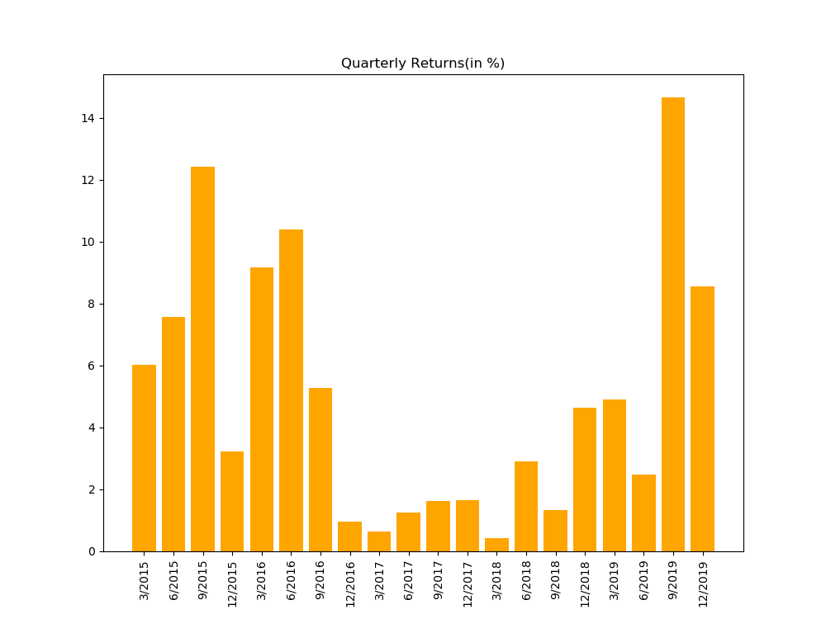
Aug-19 | 3.9248058479
Sep-19 | 7.763949563
Oct-19 | 1.3619562733
Nov-19 | -0.84475494575
Dec-19 | 0.2141495013

Distribution
